Cover
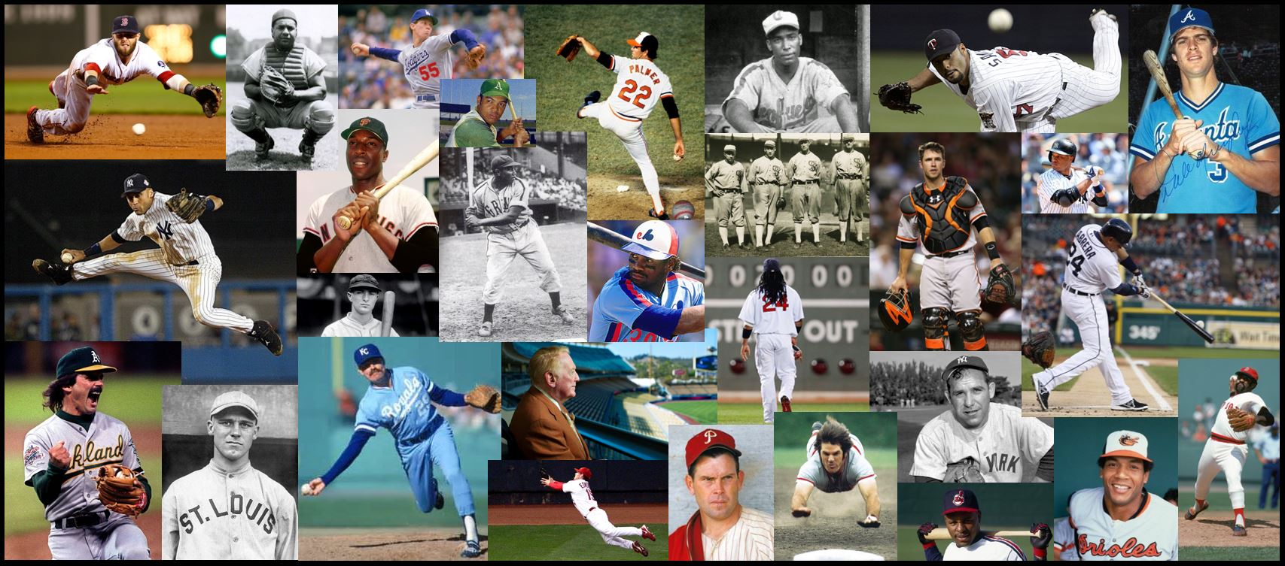
Statistical History of Major League Baseball — 1871-2016

Contents
Statistical History of
Major League Baseball
1871-2016

compiled by Rusty Southwick

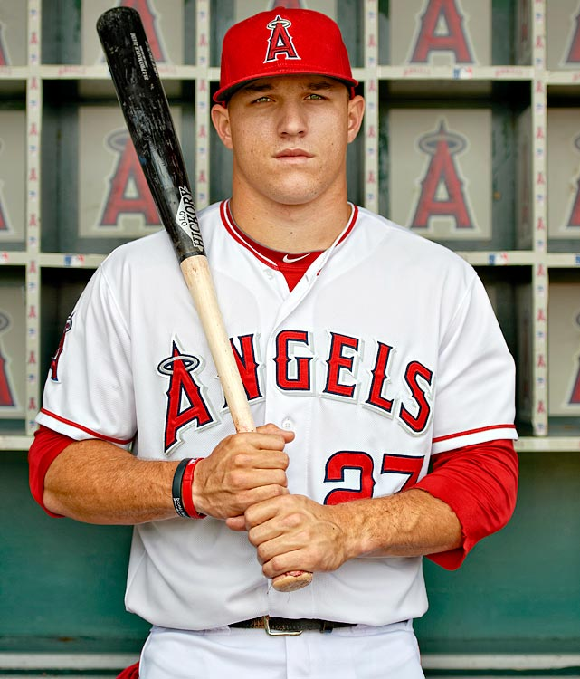
Contents:

• Season WAR (Wins Above Replacement) ratings by age, of 50 top-rated players by position
• Adapted career WAR value formula
• Breakdowns by decades and teams
• Tracking of best career starts by age 25
• Hall of Fame predictor
• Frequency of ages beginning and ending careers
• Player photo quiz

All-MLB Teams
All-MLB Teams by WAR+ Rankings

All-Time 1st Team

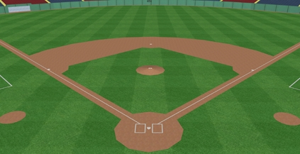
 | 1B | Albert Pujols | Cardinals
 | 2B | Rogers Hornsby | Cardinals
 | SS | Alex Rodriguez | Mariners
 | 3B | Mike Schmidt | Phillies
 | C | Johnny Bench | Reds
 | LF | Barry Bonds | Giants
 | CF | Willie Mays | Giants
 | RF | Babe Ruth | Yankees

 | SP | Roger Clemens | Red Sox
 | SP | Walter Johnson | Senators
 | SP | Randy Johnson | Mariners
 | RP | Mariano Rivera | Yankees

All-Time 2nd Team

 | 1B | Lou Gehrig | Yankees
 | 2B | Joe Morgan | Reds
 | SS | Cal Ripken | Orioles
 | 3B | Wade Boggs | Red Sox
 | C | Gary Carter | Expos
 | LF | Ted Williams | Red Sox
 | CF | Mickey Mantle | Yankees
 | RF | Hank Aaron | Braves

 | SP | Lefty Grove | Athletics
 | SP | Pete Alexander | Phillies
 | SP | Pedro Martinez | Red Sox
 | RP | Rich Gossage | Yankees

All-Time 3rd Team

 | 1B | Jimmie Foxx | Athletics
 | 2B | Jackie Robinson | Dodgers
 | SS | Honus Wagner | Pirates
 | 3B | Eddie Mathews | Braves
 | C | Ivan Rodriguez | Rangers
 | LF | Stan Musial | Cardinals
 | CF | Ty Cobb | Tigers
 | RF | Frank Robinson | Orioles

 | SP | Greg Maddux | Braves
 | SP | Tom Seaver | Mets
 | SP | Bob Feller | Indians
 | RP | Trevor Hoffman | Padres

All-Time 4th Team

 | 1B | Johnny Mize | Cardinals
 | 2B | Eddie Collins | Athletics
 | SS | Arky Vaughan | Pirates
 | 3B | George Brett | Royals
 | C | Mike Piazza | Dodgers
 | LF | Rickey Henderson | Athletics
 | CF | Tris Speaker | Red Sox
 | RF | Roberto Clemente | Pirates

 | SP | Sandy Koufax | Dodgers
 | SP | Cy Young | Red Sox
 | SP | Bob Gibson | Cardinals
 | RP | Bruce Sutter | Cubs

All-Time 5th Team

 | 1B | Jeff Bagwell | Astros
 | 2B | Nap Lajoie | Indians
 | SS | Ernie Banks | Cubs
 | 3B | Ron Santo | Cubs
 | C | Carlton Fisk | Red Sox
 | LF | Carl Yastrzemski | Red Sox
 | CF | Joe DiMaggio | Yankees
 | RF | Mel Ott | Giants

 | SP | Warren Spahn | Braves
 | SP | Roy Halladay | Blue Jays
 | SP | Juan Marichal | Giants
 | RP | Joe Nathan | Twins

Career Begin-End
Frequency of Beginning Ages of Careers
Beginning Ages of Careers - Top 50 Players at Each Position
 | 1B | 2B | SS | 3B | C | LF | CF | RF | SP | RP
17 | 2% | 0% | 0% | 0% | 0% | 0% | 0% | 2% | 1% | 0%
18 | 2% | 0% | 6% | 4% | 4% | 2% | 4% | 2% | 5% | 0%
19 | 8% | 12% | 12% | 4% | 12% | 8% | 14% | 14% | 13% | 4%
20 | 14% | 14% | 20% | 24% | 6% | 18% | 18% | 14% | 13% | 10%
21 | 28% | 18% | 20% | 24% | 24% | 28% | 18% | 14% | 17% | 6%
22 | 22% | 16% | 18% | 28% | 16% | 22% | 20% | 24% | 17% | 18%
23 | 12% | 12% | 12% | 4% | 22% | 12% | 12% | 22% | 17% | 14%
24 | 8% | 18% | 6% | 10% | 10% | 4% | 10% | 6% | 10% | 16%
25 | 2% | 6% | 4% | 2% | 2% | 2% | 2% | 2% | 6% | 18%
26 | 2% | 0% | 2% | 0% | 2% | 2% | 0% | 0% | 1% | 4%
27 | 0% | 4% | 0% | 0% | 2% | 2% | 2% | 0% | 0% | 4%
28 | 0% | 0% | 0% | 0% | 0% | 0% | 0% | 0% | 1% | 0%
29 | 0% | 0% | 0% | 0% | 0% | 0% | 0% | 0% | 0% | 2%
30 | 0% | 0% | 0% | 0% | 0% | 0% | 0% | 0% | 0% | 2%

Frequency of Ending Ages of Careers
Ending Ages of Careers - Top 50 Players at Each Position
 | 1B | 2B | SS | 3B | C | LF | CF | RF | SP | RP
30 | 0% | 0% | 0% | 0% | 0% | 0% | 0% | 0% | 2% | 0%
31 | 0% | 0% | 0% | 0% | 0% | 0% | 0% | 0% | 1% | 0%
32 | 0% | 0% | 2% | 7% | 2% | 2% | 0% | 2% | 3% | 2%
33 | 0% | 9% | 4% | 9% | 2% | 2% | 4% | 2% | 7% | 2%
34 | 7% | 7% | 7% | 4% | 7% | 9% | 7% | 9% | 7% | 7%
35 | 11% | 13% | 9% | 7% | 17% | 13% | 17% | 4% | 4% | 9%
36 | 13% | 7% | 11% | 18% | 17% | 11% | 15% | 9% | 11% | 2%
37 | 20% | 27% | 9% | 22% | 5% | 15% | 13% | 21% | 15% | 16%
38 | 7% | 4% | 16% | 11% | 12% | 7% | 13% | 13% | 5% | 16%
39 | 13% | 7% | 13% | 4% | 15% | 9% | 11% | 11% | 9% | 11%
40 | 11% | 11% | 11% | 9% | 12% | 7% | 11% | 11% | 6% | 4%
41 | 7% | 9% | 7% | 4% | 2% | 7% | 4% | 6% | 8% | 4%
42 | 4% | 2% | 0% | 2% | 5% | 13% | 4% | 6% | 5% | 11%
43 | 2% | 2% | 7% | 2% | 0% | 2% | 0% | 4% | 4% | 4%
44 | 2% | 0% | 2% | 0% | 0% | 2% | 0% | 2% | 8% | 4%
45 | 2% | 0% | 0% | 0% | 2% | 2% | 0% | 0% | 1% | 0%
46 | 0% | 0% | 0% | 0% | 0% | 0% | 0% | 0% | 1% | 2%
47 | 0% | 0% | 0% | 0% | 0% | 0% | 0% | 0% | 0% | 0%
48 | 0% | 2% | 0% | 0% | 0% | 0% | 0% | 0% | 1% | 0%
49 | 0% | 0% | 2% | 0% | 0% | 0% | 0% | 0% | 1% | 4%

